TC1
Project Name : | WeBook
Test CaseID : | TC-1
Test Case Description : | Ensuring that the program is functioning
Created by : | Danial and Whye keat
Pre-Condition : | Staff Log in
Test Data File : | Create and edit rooms

Test Step | Test Step Description | Test Data | Expected Results | Actual Result | Pass/Fail | Remarks | Screenshot if fail
TC-1-1 | Start and select Staff/Student log in page | Nil | Login Page appears on screen | Login Page appears on Screen | Pass
TC-1-2 | Enter incorrect userid and password | Userid = admin, Password = Password Click login button | Invalid Login prompt | Login fail | Pass | Error Message : Invalid Login. Please try again
TC-1-3 | Enter incorrect userid and password, new prompt to enter correct userid and password | Userid = admin, Password = Password Click login button Invalid Login prompt Enter Userid = admin, Password = pass | Login success, Welcome page appears with message | Login successful, but Invalid Login prompt label appears, not forgotten | Fail | 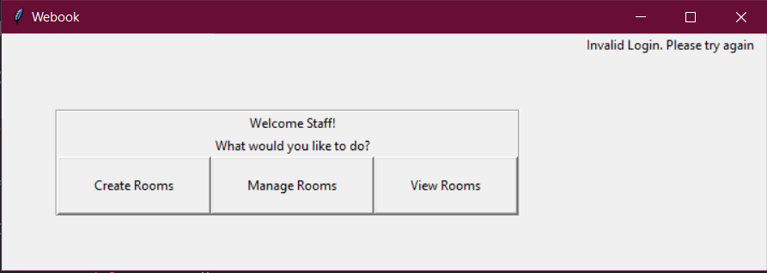 However, does not affect Login function and the rest of the programme
TC-1-4 | Enter userid and password | Userid = admin, Password = pass Click login button | Login success, Welcome page appears with message | Login pass, Welcome page appears with message | Pass
TC-1-5 | Choices Page | Login success | List of choices users can click on appears on screen | Choices Page appears on screen | Pass
TC-1-6 | Click create rooms | Nil | List of room options appears on screen | List of room options appears on screen | Pass
TC-1-7 | Interacting with room options | A dropdown list appears on the screen | Room options are able to change | Room options changed | Pass
TC-1-8 | Launch room | Nil | Page selection dates appears on screen | Page selection dates appears on screen | Pass
TC-1-9 | Back to Choices Page | Click on back button | Return to previous page | Choice Pages appears on screen | Pass
TC-1-10 | Selection Menu | Selection of date, time, price, and capacity | Room created | Room created | Pass
TC-1-11 | Back to room options | Click on back button | Landing on room options page | Landing on room options page | Pass
TC-1-12 | Manage room | Selection menus page | Selection of date, time, price, and capacity | Selection of date, time, price, and capacity | Pass
TC-1-13 | Logout Button | Click on log out button | Return to the first page for log in selection | Returns to the very first log in selection page | Pass

